Sheet1
Date | VALE | BOVESPA
1 | 30.87 | 38183.3
2 | 30.87 | 38183.3
3 | 31 | 40925.8
4 | 36.08 | 47289.5
5 | 38.02 | 53197.7
6 | 34.5 | 51465.4
7 | 37.05 | 54765.7
8 | 36.68 | 56488.9
9 | 41.19 | 61517.8
10 | 44.8 | 61545.5
11 | 49.02 | 67044.4
12 | 49.5 | 68588.4
13 | 48.91 | 65401.7
14 | 50.45 | 66503.2
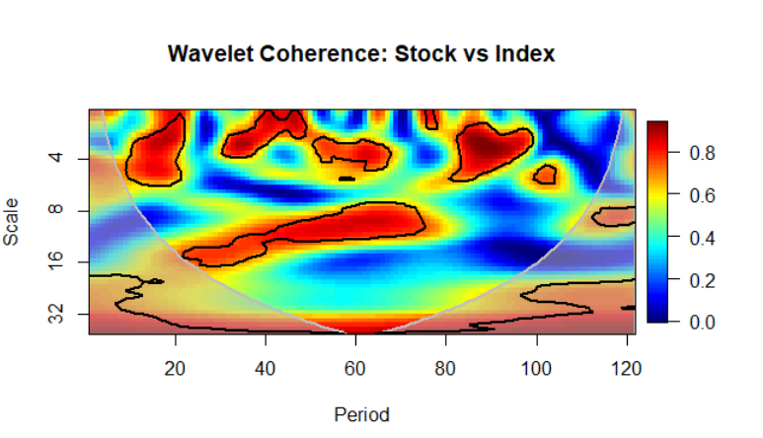
15 | 57.15 | 70371.5
16 | 53.1 | 67529.7
17 | 50 | 63046.5
18 | 43.65 | 60935.9
19 | 48.55 | 67515.4
20 | 46.88 | 65145.4
21 | 52.3 | 69429.7
22 | 53.6 | 70673.3
23 | 53.56 | 67705.4
24 | 55.33 | 69304.8
25 | 57.08 | 66574.8
26 | 56.3 | 67383.2
27 | 53.35 | 68586.7
28 | 51.79 | 66132.8
29 | 50.25 | 64620
30 | 49.49 | 62403.6
31 | 50.18 | 58823.4
32 | 44.8 | 56495.1
33 | 42.65 | 52324.4
34 | 43.71 | 58338.3
35 | 41.65 | 56874.9
36 | 39.45 | 56754
37 | 44.7 | 63072.3
38 | 43.55 | 65811.7
39 | 42.9 | 64510.9
40 | 42.6 | 61820.2
41 | 37.59 | 54490.4
42 | 40.13 | 54354.6
43 | 37.15 | 56097
44 | 33.78 | 57061.4
45 | 36.49 | 59175.8
46 | 37.45 | 57068.1
47 | 37.6 | 57474.5
48 | 42.28 | 60952
49 | 40.26 | 59761.4
50 | 37.8 | 57424.2
51 | 34.9 | 56352
52 | 34.25 | 55910.3
53 | 30.45 | 53506
54 | 29.1 | 47457.1
55 | 31.02 | 48234.4
56 | 34.42 | 50011.7
57 | 34.46 | 52338.1
58 | 35.75 | 54256.2
59 | 35.87 | 52482.4
60 | 35.71 | 51507.1
61 | 33.05 | 47638.9
62 | 33 | 47094.4
63 | 31.42 | 50414.9
64 | 29.4 | 51626.6
65 | 28.4 | 51239.3
66 | 29.24 | 53168.2
67 | 32.55 | 55829.4
68 | 29.12 | 61288.1
69 | 26.85 | 54115.9
70 | 25 | 54628.6
71 | 23.3 | 54724
72 | 21.91 | 50007.4
73 | 18.61 | 46907.6
74 | 21.25 | 51583
75 | 17.94 | 51150.1
76 | 22.65 | 56229.3
77 | 20.05 | 52760.4
78 | 18.29 | 53080.8
79 | 17.87 | 50864.7
80 | 17.92 | 46625.5
81 | 16.58 | 45059.3
82 | 17.06 | 45868.8
83 | 13.17 | 45120
84 | 13.03 | 43349
85 | 9.72 | 40405
86 | 11.81 | 42793
87 | 15.15 | 50055
88 | 19.69 | 53910
89 | 14.22 | 48471
90 | 16.27 | 51526
91 | 18.5 | 57308
92 | 16.94 | 57901
93 | 17.81 | 58367
94 | 22.08 | 64924
95 | 28.06 | 61906
96 | 25.68 | 60227
97 | 32.18 | 64670
98 | 32.72 | 66662
99 | 29.79 | 64984
100 | 27.47 | 65403
101 | 27.17 | 62711
102 | 29 | 62899
103 | 31.3 | 65920
104 | 35.08 | 70835
105 | 31.87 | 74293
106 | 32.1 | 74308
107 | 35.14 | 71970
108 | 40.26 | 76402
109 | 41.45 | 84912
110 | 45.05 | 85353
111 | 42.21 | 85365.5
112 | 48.67 | 86115.5
113 | 50.63 | 76753.6
114 | 49.59 | 72762.5
115 | 54.84 | 79220.4
116 | 53.62 | 76677.5
117 | 59.82 | 79342.4
118 | 56.71 | 87423.5
119 | 52.8 | 89504
120 | 51 | 87887.2
121 | 45.5 | 97393.7
122 | 47.12 | 97239.9

